Daily Stocktake
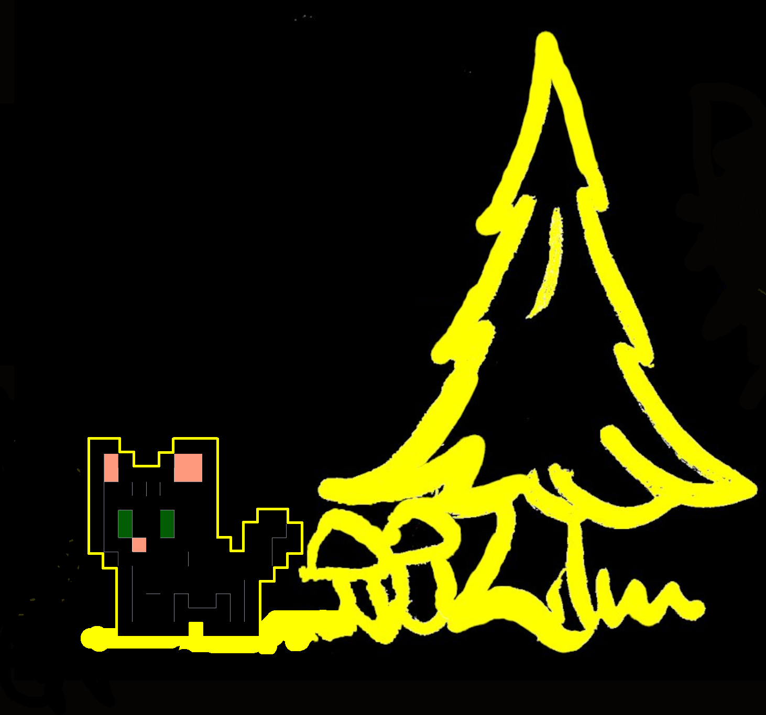
Grindotfarm May ‘24 Solo Blocks


Date | Time (UTC) | Height | Amount | Status
5/25/2024 | 9:37:34 | 2808815 | 60 | Unspent | Stock Inventory
5/25/2024 | 23:49:50 | 2810612 | 60 | Unspent | Stock Database
5/26/2024 | 10:20:05 | 2811707 | 60 | Unspent
5/26/2024 | 18:01:34 | 2811894 | 60.0355 | Unspent | How to use this template
5/27/2024 | 16:58:10 |  | 60 | Unspent
5/27/2024 | 17:19:14 |  | 60.0355 | Unspent
5/28/2024 | 13:12:13 |  | 60 | Unspent
5/29/2024 | 7:05:47 |  | 60 | Unspent
2024-05-29 | 7:05:47 |  | 60 | Unspent
2024-05-29 | 16:23:44 |  | 60 | Unspent

Sheet4
AVG HASHRATE: ~4.8G/s WORKERS: 4 BLOCKS:10
 | Grinminer.net blocks mined May ‘24
# | Date | Time (utc) | Height | amount | Withdrawn?
1 | 2024-05-25 | 9:37:34 | 2808815 | 60 | yes | sc
2 | 2024-05-25 | 23:49:50 | 2810612 | 60 | yes
3 | 2024-05-26 | 10:20:05 | 2811707 | 60 | yes
4 | 2024-05-26 | 18:01:34 | 2811894 | 60.0355 | yes
5 | 2024-05-27 | 16:58:10 | 2811719 | 60 | no
6 | 2024-05-27 | 17:19:14 | 2812121 | 60.0355 | no
7 | 2024-05-28 | 13:12:13 | 2813065 | 60 | no
8 | 2024-05-29 | 7:05:47 | 2814175 | 60 | no
9 | 2024-05-29 | 7:05:47 | 2814395 | 60 | no
10 | 2024-05-29 | 16:23:44 | 2814910 | 60 | no
11 | 2024-05-30 | 21:22:26 | 2816361 | 60 | locked
SOLO MINING IS LUCK BASED REVENUE NOT GUARANTEED

